Sheet1
Product | Model | Photo | Description | Qty | MSRP | Color
WALL CHARGER
32W Dual-Port Compact PD Charger (BK, WH) | PA-F3S (UK) | 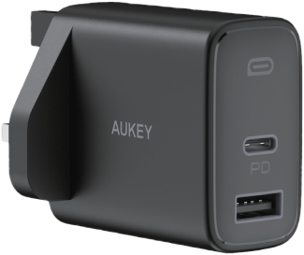 | 1. Charge two devices at the same time 2. 20W PD fast-charging for latest iPhones 3. Compact and lightweight 4. USB-C + USB-A output: 20W + 12W1. Charge two devices at the same time | 192 | £19.99 | White
Ultra-Portable 20W PD Wall Charger (BK, WH) | PA-Y25 (UK) | 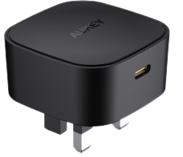 | 1. Super small yet powerful with 20W output 2. Great for fast-charging mobile devices such as the latest iPhones 3. Able to charge iPhone 12 series at full speed1. Super small yet powerful with 20W output | 168 | £14.99 | 168 Black 336 White
CAR CHARGER
30W Ultra Small 2-port Car Charger (BK) | CC-A4 | 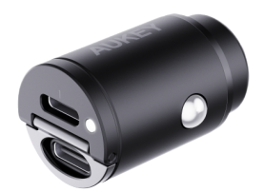 | 1. World Smallest 30W Car Charger 2. Dual Output Support 30W PD3.0&QC3.0 3. Metallic Case 4. Compact & Edgeless Design 5. Support PD3.0 / PD2.0 / QC4+ / QC3.0 / QC2.0 / AFC / PE2.01. World Smallest 30W Car Charger | 256 | £17.99
24W Duo-port Portable Car Charger (BK) | CC-Q1 | 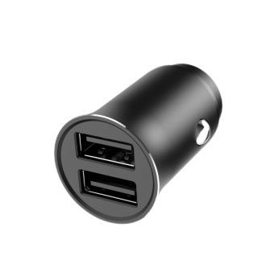 | 1. USB-A + USB-A output: 12W+12W | 880 | £11.99
21W Duo-Port Portable Car Charger (BK) | CC-Y11 | 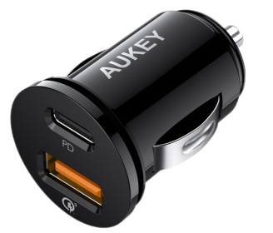 | 1. Portable & lightweight 2. USB-C output : 5V/3A,9V/2.3A ,12V/1.7A 3. USB Output (QC 3.0): DC 3.6-6.5V/3A,6.5-9V/2A,9-12V/1.5A1. Portable & lightweight | 2051 | £17.99
POWER BANKS
Slim 10000mAh 15W Power Bank | PB-N73 | 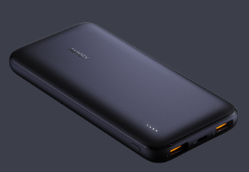 | 1. Micro USB In: 5V/2.4A 2. USB-C In: 5V/3A 3. USB Out (1/2): 5V/2.4A Max 4. Max Power Out: 12W 5. Slim design1. Micro USB In: 5V/2.4A | 461 | £19.99
Compact 10000mAh 18W Power Bank | PB-Y36 |  | 1. Ultra portable & lightweight 2. 18W USB-C output + 18W USB-A output 3. 18W USB-C input1. Ultra portable & lightweight | 298 | £26.99 | Black
10000mAh Wireless Charging Power Bank (GY) | PB-WL02 | 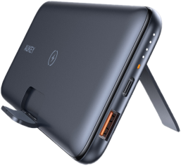 | 1. 10W for android / 7.5W for iPhone wireless charging 2. Can serve as a foldable wireless charging stand 3. Able to charge 3 devices at the same time 4. USB-C port supports 18W PD fast-charging, and 18W input | 1584 | £36.99
20000mAh Wireless Charging Power Bank (GY) | PB-WL03 |  | 1. 10W for android / 7.5W for iPhone wireless charging 2. Can serve as a foldable wireless charging stand 4. USB-C port supports 18W PD fast-charging, and 18W input 5. 22.5W USB-A output | 178 | £54.99
GAMING
Gaming Mouse Pad (BK) | KM-P1 |  | 1. Soft cloth surface with rubber base ensures precise, accurate mouse control and consistent stability on your desk 2. Measuring 350 x 250 x 3mm 3. Wash with water1. Soft cloth surface with rubber base ensures precise, accurate mouse control and consistent stability on your desk | 12894 | £6.99 | Black
Medium Gaming Mouse Pad (BK) | KM-P2 |  | 1. Soft cloth surface with rubber base 2. 800 x 300mm 3. Wash with water1. Soft cloth surface with rubber base | 7630 | £19.99 | Black
Large Gaming Mouse Pad (BK) | KM-P3 |  | 1. 900*400*4mm 2. Soft cloth surface with rubber base 3. Wash with water1. 900*400*4mm | 4791 | £22.99 | Black
XL Gaming Mouse Pad (BK) | KM-P4 |  | 1. 1200*600*3mm 2. Soft cloth surface with rubber base 3. Wash with water1. 1200*600*3mm | 3267 | £29.99 | Black
RGB Gaming Mouse Pad (BK) | KM-P6 |  | 1. 800 x 300mm 2. RGB lighting 3. Works with Windows XP / 7 / 8 / 10 4. Synchronize lighting across all AUKEY G-aim gaming devices.1. 800 x 300mm ices. | 670 | £34.99 | Black
Large Gaming Mouse Pad with Edge RGB Lighting | KM-P7 | 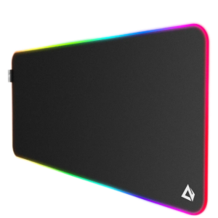 | 1. 900 x 400 x 4mm 2. 11 Lighting Effects 3. Soft cloth surface with rubber base | 2968 | £32.99 | Black
104-Key LED-Backlit Mechanical Keyboard | KM-G6 | 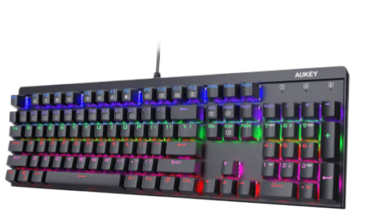 | 1. Outemu blue switches 2. 6-color backlighting, 8 preset lighting effects, plus 2 slots for assignable lighting effects | 4181 | £54.99
Mechanical Gaming Keyboard with RGB Backlight | KM-G12 |  | 1. 7 color presets and 12 lighting configuration presets RGB mode 2. Blue switch or red switch awailable 3. 104-key rollover with anti-ghosting 5. Double-shot-molded ABS keycaps 1. 7 color presets and 12 lighting configuration presets RGB mode | 4161 | £59.99
LED-Backlit Mechanical Gaming Keyboard (Blue Switches) | 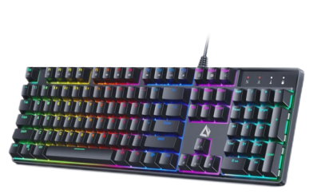 KM-G16 |  | 1. LED lighting 2. Otemu blue switches with 50-million- keystroke lifespan 3. 104-key rollover1. LED lighting | 2803 | £39.99 | Black
WEBCAM
1080P Webcam (BK) | PC-LM1E | 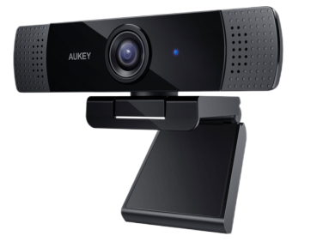 | 1. High-definition 1080p 2-megapixel webcam with 1/2.9’‘ CMOS image sensor 2. Auto color correction 3. Dual noice cancelling mic for better voice receiving 4. Broad Compatibility1. High-definition 1080p 2-megapixel webcam with 1/2.9’‘ CMOS image sensor | 5384 | £59.99
WIRELESS CHARGER
2-IN-1 Wireless Fast Charger (BK,WH) | LC-A1 | 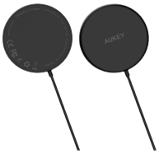 | 1.Provides secure attachment and faster wireless charging for iPhone 12 series. 2. Works with all Qi-compatible devices. 3. Outputs 15W for Android phones 1.Provides secure attachment and faster wireless charging for iPhone 12 series. | 968 | £16.99 | White
LAMP
Touch Control LED Lamp with RGB | LT-T8 |  | 1. Simple operation 2. Fully adjustable brightness 3. RGB mode 4. Eye-safe light1. Simple operation | 4553 | £24.99 | White
EARPHONES
True Wireless Earbuds (BK,WH, GN, BU ) | EP-T25 |  | 1. Ultra-compact & lightweight 2. BT 5.0 & USB-C charging 3. 25hrs playtime (with case) 4. 6mm drivers for dynamic audio 5. Single earbud use available 6. IPX5 water resistant 7. MEMS for clear calls 8. Touch or voice control1. Ultra-compact & lightweight | 2317 | £29.99 | Black
True Wireless Earbuds (BK) | EP-T21 |  | 1. Deep Bass and Crystal-Clear Sound 2. Comfortable Fit 3. Both Earbuds Can Be Used Individually 4. Up to 35 Hours Playtime (with case) 5. IPX4 water resistance1. Deep Bass and Crystal-Clear Sound | 13914 | £39.99 | 13914 Black 1315 White 311 Pink
True Wireless Earbuds (BK,WH, RD, GN, BU, PK ) | EP-T21S | 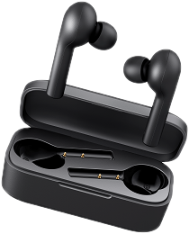 | 1. Deep Bass and Crystal-Clear Sound 2. Comfortable Fit 3. Both Earbuds Can Be Used Individually 4. Up to 30 Hours Playtime (with case) 5. MEMS Microphone for Clear Calls 6. IPX6 water resistance1. Deep Bass and Crystal-Clear Sound | 5517 | £39.99 | 5517 Black 499 Red 1310 Green 684 Blue 624 Gold
True Wireless Earbuds (BK, WH) | EP-T21P |  | 1. Deep Bass and Crystal-Clear Sound 2. Comfortable Fit 3. Both Earbuds Can Be Used Individually 4. Up to 35 Hours Playtime (with case) 5. MEMS microphone for clrear calls 6. IPX6 water resistance1. Deep Bass and Crystal-Clear Sound | 979 | £44.99 | Black
True Wireless Earbuds with ANC (BK) | EP-N5 |  | 1. ANC @ 20dB 2. Touch & voice assistant 3. 10mm Dynamic drivers 4. 22-hour battery life (with case) 5. IPX4 water resistance 6. Bluetooth 5.0 & USB-C Charge | 3248 | £59.99 | Black
True Wireless Earbuds with aptX (BK) | EP-T27 | 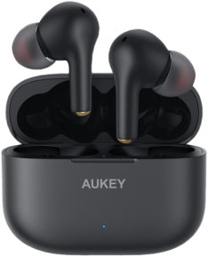 | 1. Supports aptX wth Qualcomm chips 2. Includes 4 microphones & cVc 8.0 noise reduction technology 4. Responsive touch-panel on each earbud 5. IPX7 waterproofing | 1858 | £54.99 | Black
Wireless Charging Earbuds with In-Ear Detection | EP-T31 | 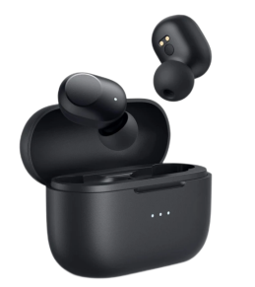 | 1. In-Ear Wear detection 2. Low latency 3. IPX5 water resistance 4. 30h playback time 5. Wireless charging 6. Compact design | 8189 | £54.99 | Black
Wireless Charging Earbuds with CVC 8.0 | EP-T32 |  | 1. Powerful 12mm / 0.36” speaker drivers 2. IPX8 Water resistance 3. CVC8.0 noise reduction 4. APTX 5. Wireless charging case | 470 | £49.99 | Black
 |  |  |  | 96830

